Introduction
Local vs Conventional Food Purchasing Cost Calculator
 |  |  | August 2014

 |  | SCALE staff designed and developed this Cost Calculator, led by LeAnne Harvey with assistance from Jassen Campbell, Rick Martin, Andrea Reusing and Ben Carroll. Kurtis Gross assisted in the initial design.

Introduction
The SCALE, Inc Cost Calculator is designed to help chefs and food service managers analyze more precisely the cost difference between locally sourced farm products and those available from mainline distributors. It does this by converting the difference in unit costs – cases, pounds, dozens – to the difference in cost per plate or meal for one or more items. The Calculator includes 21 produce items and 6 proteins. While locally sourced items are sometimes comparable to or lower in price, in general they are more expensive than those available through mainline distributors. The Calculator does not give a value to such qualities as “freshness”, better taste or sustainable production practices, but simply analyzes the cost differential.

How to Use the Calculator
The Calculator already contains average portion sizes for each of the items, and will calculate the cost difference based on those portion sizes. For instance, it assumes 1 ounce of spring mix per portion, typical for a side salad; it uses 6 ounces for a typical serving of ground beef, whether for a hamburger, meatloaf, tacos or other dishes. We recommend that you take a look at the portion sizes we’ve included and see if they are generally accurate for your restaurant or dining hall. They are contained in Column I. Please note: If most of the portion sizes seem accurate but you want to change some of them, you can easily do so: Simply click that box and type the new number in. For example, if you want to change the broccoli portion from 2 to 3 ounces, go to row 5, column I, click on the box and enter the new number. There are two basic ways you can use the Calculator:

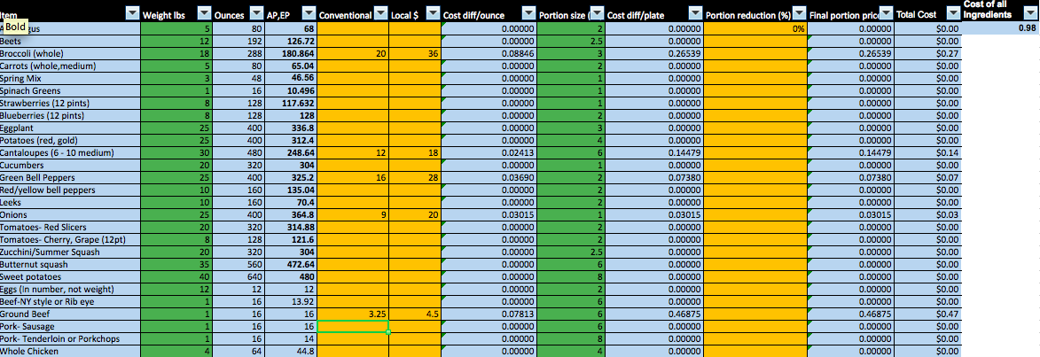
• | Calculate the cost difference per plate for one specific item. In the first example, local tomatoes are $30/cs versus mainline tomatoes @ $18/cs. The per plate cost difference is shown in column M: 8 cents more per plate to use the local tomatoes.
• | You can also calculate the cost difference for a complete menu item when purchasing several or all of the ingredients locally. In the second example, the calculator is determining the total cost difference for a specific menu item: Meatloaf, with a side of broccoli and a slice of cantaloupe. It was assumed that the ground beef, onions and peppers (in the meatloaf), broccoli and cantaloupe were all purchased locally. In this case, Column N includes all of these ingredients in the cost of local vs mainline purchasing. In this example, to source all of the ingredients locally for the meatloaf entree, including the side items, would cost 98 cents more.

Learn how to use the calculator through step-by-step instructions

